FCM LOINCs
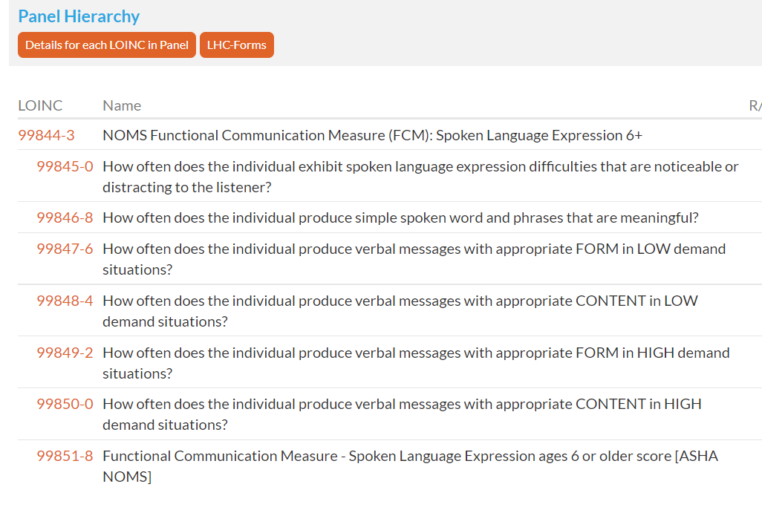
LOINC | Name | SPLASCH Profile | Abbreviation | Functional Performance Category | LOINC Fully Specified Name |  | LOINC Display
99852-6 | NOMS Functional Communication Measure (FCM): Swallowing
99853-4 | What modified diet is recommended for the individual to swallow solids safely?
99854-2 | What modified liquid is recommended for the individual to swallow safely?
99855-9 | What percentage of the individual's daily diet is delivered through non-oral means in order to maintain adequate nutrition and hydration?
99856-7 | How often does the individual exhibit difficulties with oral containment or secretion management? | swallowing | oral-containment-secretion-difficulty | digestive-metabolic-endocrine-systems | Frequency of difficulties with oral containment or secretion management | 99856-7 | How often does the individual exhibit difficulties with oral containment or secretion management?
99857-5 | How often does the individual require supervision/assistance at meal time due to swallowing safety? | swallowing | assistance-swallowing-safety | digestive-metabolic-endocrine-systems | Frequency of required supervision or assistance for swallowing safety | 99857-5 | How often does the individual require supervision/assistance at meal time due to swallowing safety?
99858-3 | Functional Communication Measure - Swallowing score [ASHA NOMS]
99828-6 | NOMS Functional Communication Measure (FCM): Multi-Modal Functional Communication
99829-4 | How often does the individual convey simple messages that are meaningful related to routine daily activities in LOW demand situations? | multi-modal communication | simple messages-routine daily activities- LOW demand situations | communication |  | 99829-4 | How often does the individual convey simple messages that are meaningful related to routine daily activities in LOW demand situations?
99830-2 | How often does the individual participate in short structured conversations that are meaningful in LOW demand situations? | multi-modal communication | short structured conversations-LOW demand situations | communication |  | 99830-2 | How often does the individual participate in short structured conversations that are meaningful in LOW demand situations?
99831-0 | How often does the individual convey complex messages that are meaningful in LOW demand situations?
99832-8 | How often does the individual convey simple messages that are meaningful related to routine daily activities in HIGH demand situations? | multi-modal communication | simple messages-routine daily activites-HIGH demand situations | communication |  | 99832-8 | How often does the individual convey simple messages that are meaningful related to routine daily activities in HIGH demand situations?
99833-6 | How often does the individual participate in short structured conversations that are meaningful in HIGH demand situations? | multi-modal communication | short structured conversations-HIGH demand situations | communication |  | 99833-6 | How often does the individual participate in short structured conversations that are meaningful in HIGH demand situations?
99834-4 | How often does the individual convey complex messages that are meaningful in HIGH demand situations?
99835-1 | Functional Communication Measure - Multi-Modal Functional Communication score [ASHA NOMS]
99788-2 | NOMS Functional Communication Measure (FCM): Cognition 6+
99789-0 | How often does the individual demonstrate adequate cognitive-communication skills to independently complete rote/simple routine living tasks?
99790-8 | How often does the individual demonstrate adequate cognitive-communication skills to independently complete age-appropriate common daily living tasks?
99791-6 | How often does the individual demonstrate adequate cognitive-communication skills to independently complete age-appropriate complex living tasks?
99792-4 | How often does the individual demonstrate adequate cognitive-communication skills to independently function safely WITHOUT additional supervision/assistance (in excess of chronological age expectations) due to cognitive deficits?
99793-2 | Functional Communication Measure - Cognition ages 6 or older score [ASHA NOMS]
99836-9 | NOMS Functional Communication Measure (FCM): Spoken Language Comprehension 6+
99837-7 | How often does the individual understand simple messages/conversations related to routine daily activities in LOW demand situations?
99838-5 | How often does the individual understand complex messages, as expected for chronological age, in LOW demand situations?
99839-3 | How often does the individual understand simple messages/conversations related to routine daily activities in HIGH demand situations? | spoken-language-comprehension | understand-simple-routine-high-demand | communication |  | 99839-3 | How often does the individual understand simple messages/conversations related to routine daily activities in HIGH demand situations?
99840-1 | How often does the individual understand complex messages, as expected for chronological age, in HIGH demand situations? | spoken-language-comprehension | understand-complex-high-demand | communication |  | 99840-1 | How often does the individual understand complex messages, as expected for chronological age, in HIGH demand situations?
99841-9 | How often does the individual function safely WITHOUT additional supervision/assistance (in excess of chronological age expectations) due to comprehension deficits?
99842-7 | How often does the individual participate in communication exchanges WITHOUT additional assistance from communication partner? | spoken-language-comprehension | communicate-without-assistance | communication |  | 99842-7 | How often does the individual participate in communication exchanges WITHOUT additional assistance from communication partner?
99843-5 | Functional Communication Measure - Spoken Language Comprehension ages 6 or older score [ASHA NOMS]
99844-3 | NOMS Functional Communication Measure (FCM): Spoken Language Expression 6+
99845-0 | How often does the individual exhibit spoken language expression difficulties that are noticeable or distracting to the listener?
99846-8 | How often does the individual produce simple spoken word and phrases that are meaningful?
99847-6 | How often does the individual produce verbal messages with appropriate FORM in LOW demand situations?
99848-4 | How often does the individual produce verbal messages with appropriate CONTENT in LOW demand situations?
99849-2 | How often does the individual produce verbal messages with appropriate FORM in HIGH demand situations? | spoken-language-expression | verbal-form-high-demand | communication | Frequency of producing verbal messages with appropriate form in high demand situations | 99849-2 | How often does the individual produce verbal messages with appropriate FORM in HIGH demand situations?
99850-0 | How often does the individual produce verbal messages with appropriate CONTENT in HIGH demand situations? | spoken-language-expression | verbal-content-high-demand | communication | Frequency of producing verbal messages with appropriate content in high demand situations | 99850-0 | How often does the individual produce verbal messages with appropriate CONTENT in HIGH demand situations?
99851-8 | Functional Communication Measure - Spoken Language Expression ages 6 or older score [ASHA NOMS]
No LOINC code found | No LOINC code found | spoken-language-expression | communicate-without-assistance |  | Spoken Language Expression: How often does the individual participate in communication exchanges WITHOUT additional assistance from communication partner? | spoken-language-expression-communicate-without-assistance | How often does the individual participate in communication exchanges WITHOUT additional assistance from communication partner (Spoken Language Expression)?

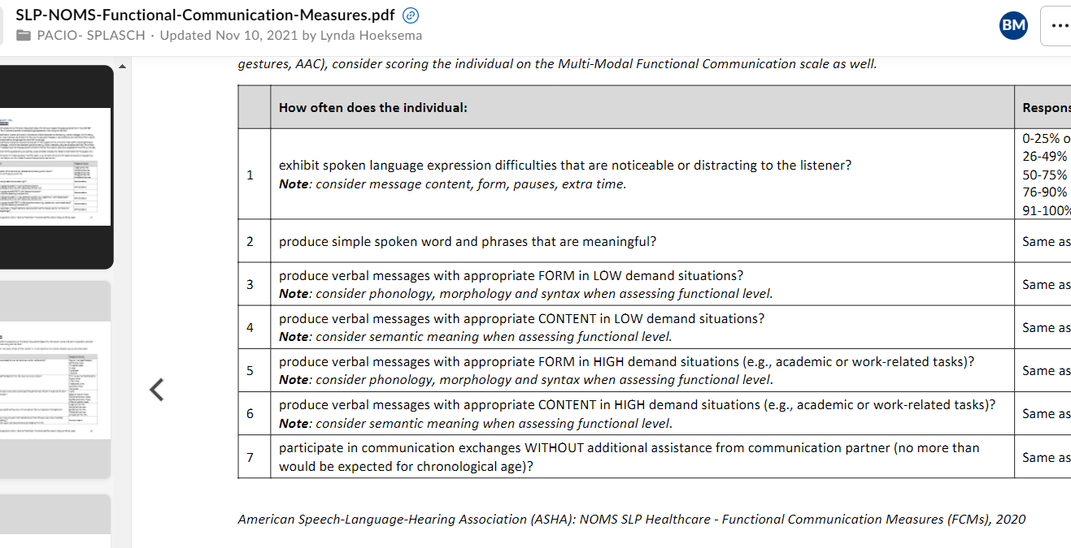

 | LOINC Answer List LL6183-9
 | Answer | Answer ID
 | 0-25% of the time | LA33175-3
 | 26-49% of the time | LA33176-1
 | 50-75% of the time | LA33177-9
 | 76-90% of the time | LA33178-7
 | 91-100% of the time | LA33179-5

 | Other disciplines Answer Choices LOINC Answer List LL________

 | LA6270-8 | Never
 | LA10066-1 | Rarely
 | LA10082-8 | Sometimes
 | LA10044-8 | Often
 | LA9933-8 | Always

